Sheet3
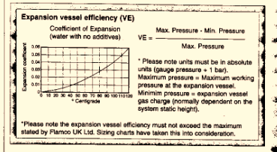
 |  | Project No.
 |  | Project
 |  | Calculation Title
 |  | Calculation No.
 |  | Revision
 |  | Date

 |  |  |  |  |  |  | m
 | Cylinder Volume |  | L |  |  | 67dia | 180 | = | 635
 | Pipework Volume |  | L |  |  | 42dia | 180 | = | 250
 | Total system volume | 0 | L |  |  |  |  |  | 885 | L

 | Expansion Factor
 | Cold fill pressure |  | = | 1 | abs
 | Final working pressure |  | = | 1 | abs
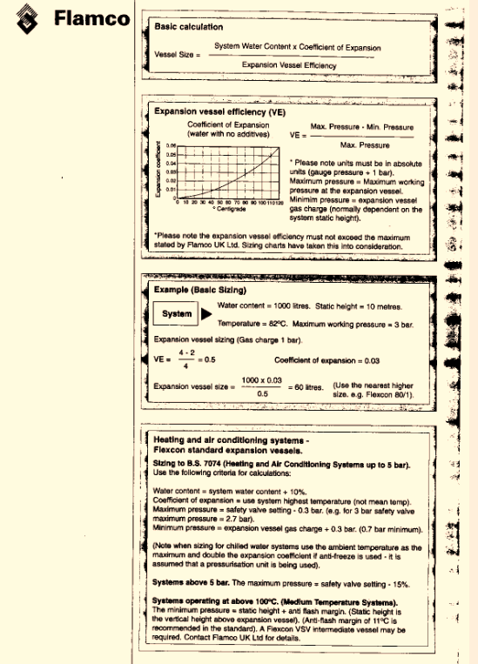

 | Expansion Vessel Size | = | System Vol | x |  | Expansion factor
 |  |  | 1 | - | ( | cold feed pressure abs |  |  | )
 |  |  |  |  |  | Final working pressure abs

 | Expansion Vessel Size | = | 0 | x |  | 0
 |  |  | 1 | - | ( | 1 | )
 |  |  |  |  |  | 1

 |  | = | #DIV/0! | L | Expansion Vessel Size

IP 02-05-13-5305 Version 1

